Store Order Entry
 | 6 Shirley Ave Somerset, NJ 08873 (800) 916-8770 hello@CustomPictureFrames.com

Customer Name: | Annie Medina |  | Date: | 10/23/2025
Address 1 | L15B Pine Tree Blvd |  | Phone: | 7329259081
Address 2 |  |  | Email:
City, State, Zip | Old Bridge, NJ 08857
Description: | F8694_12x24_NGA
Special Requests:
Frame SKU | 8694 | No | Sticks Only (18')
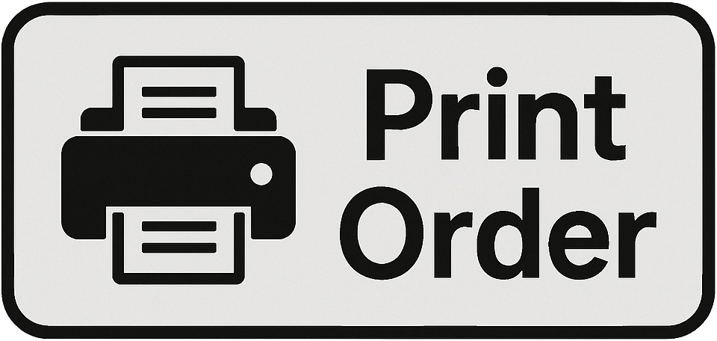
Chop Only | No | No | Push Pins
Width | 20 |  |  
Height | 60
Mat Border (All)
Mat Border (Left)
Mat Border (Right)
Mat Border (Top)
Mat Border (Bottom)
Mat 1 SKU
Mat 1 Reveal
Mat 2 SKU
Mat 2 Reveal
Mat 3 SKU
Extra Mat Openings | 0
Acrylic | Standard
Backing | White Foam
Print (Paper) | No | None | Paper Type
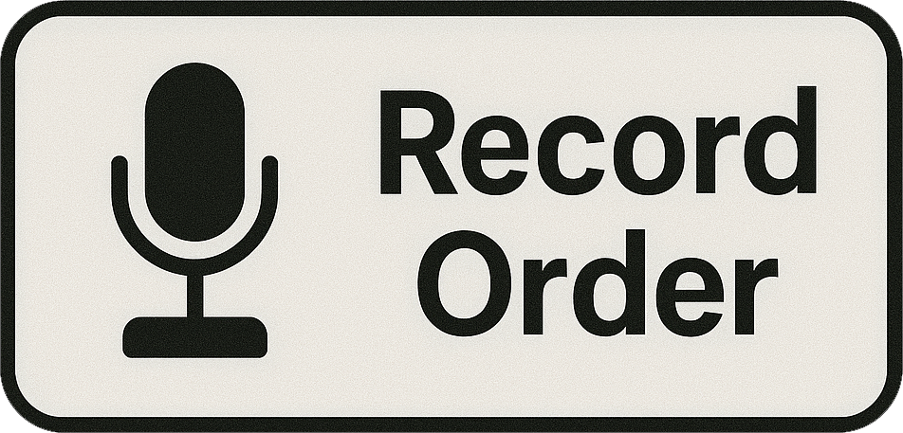
Dry Mount | No
Print (Canvas) | No | None | Wrap Style
Engraved Plaque | No |  | Size
LEDs | No
Shadowbox Fitting | No
Additional Labor | No
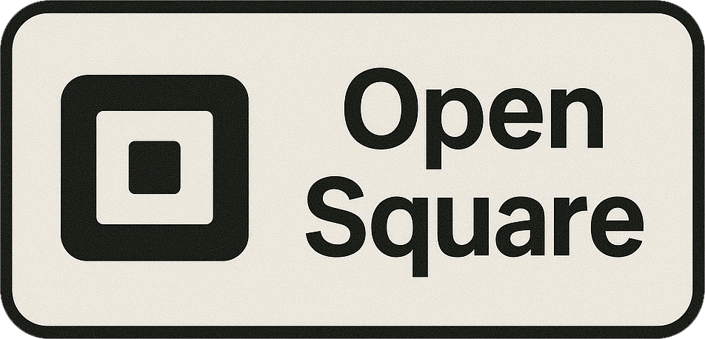
Quantity | 1
Item Total | $105.74 |  | HI, AK, PR
Shipping | $250.00 | Yes | FALSE
Sales Tax |  | No
Discount | 0%
Total | $355.74
Deposit
Balance | $355.74

Stacker Frames
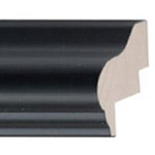

1
 |  |  |  |  | MAT WIDTH | 0
 |  |  |  |  | Top Mat SKU | No Mat
 |  |  |  |  | Double Mat SKU | No Mat
 |  |  |  |  | Reveal | 0
 |  |  |  |  | Triple Mat SKU | No Mat
Artwork SHORT SIDE |  | 28 | 0 |  | Reveal | 0
Artwork LONG SIDE |  | 40 | 0 |  | SHADOW BOX BACKING | No Mat

ENTER QUANTITY |  | 1 |  |  | Include Acrylic | Yes

Requested Usable Depth |  | 5 |  |  | Complex Request | No

Calculated Frame Depth |  | 6.25 |  | 🚨⚠️💀 FRAME IS TOO LARGE TO SHIP 💀⚠️🚨
 |  |  |  | 🚨⚠️💀 FRAME IS TOO LARGE TO SHIP 💀⚠️🚨
Overall Frame Size |  | 29.5 x 41.5 |  | 🚨⚠️💀 FRAME IS TOO LARGE TO SHIP 💀⚠️🚨

PRICE w/o Shipping | $447.85

PRICE with SHIPPING | $492.64

HI | AK | PR | CAN SHIPPNIG | $626.99

